1. Title Page
[Instacart Analysis]

Project Name: Instacart Analysis
Date: 05/15/2023
Analyst Name: Schay Esparza

Contents:
Population Flow
Consistency checks
Wrangling steps
Column derivations
Visualizations
Recommendations

Data source: “The Instacart Online Grocery Shopping Dataset 2017”, Accessed from www.instacart.com/datasets/grocery-shopping-2017 via Kaggle on 3/10/23

2. Population Flow
Title page

Population flow

Exclusion flag
Condition: max_order < 5
Obervations to be removed: 1,440,295
Final total count of order_products_all: 30,964,564

Orders_products_combined
Orders_products_merged
Orders_products_all

Total: 32,404,859
Total: 32,434,489
Total: 32,404,859

1.) The grey boxes in the first row of the population flow represent the original data sets as they were when you downloaded them. In the Total fields you need to add the count of the rows when you imported the data set into Jupyter.
2.) The second row of boxes (coloured) represents the data sets after you manipulated them, e.g., removed missing values and duplicates. In the Total fields you need to add the count of the rows after conducting these operations. This offers a visual oveview of how the data flows throughout the data consistency checks.
3.) The third row, where also the arrows are coloured, represents the merges you performed between the datasets. In the Total fields you need to add the count of the rows in the merged datasets, so that you end up with the final dataset (in the red box). Keep in mind the final dataset should be without exclusions (based on the exclusion flag).

3. Consistency checks
 |  |  |  | Title page
Consistency checks

Dataset | Missing values | Missing values treatment | Duplicates
orders | 206,209 Missing Values under days_since_prior_order | No Treatment done, missing values were reasonable because they were the customer's first order. Hence, no prior order data avaialble. | No duplicates Found
products | 16 Missing Values under product_name | Records Removed | 5 Duplicates Removed
orders_products_prior | No Missing Values | Not Applicable | No duplicates Found
customers | No Missing Values | Not Applicable | No duplicates Found

4. Wrangling steps
 |  |  |  | Title page
Wrangling steps

Columns dropped | Columns renamed | Columns' type changed | Comment/Reason
eval_set' from order.csv |  |  | Had only one value ("prior") indicating it was a prior data set released by Instacart.
 | ord_dow' to 'order_day_of_week' from order.csv |  | To make the heading intuitive
 |  | order_id' changed to 'str' from order.csv | Too string to optimize calculations
 |  | user_id' changed to 'str' from customer.csv | Too string to optimize calculations
"First Name" from customers.csv |  |  | Not needed in final data and potentially cause PII issues
"Surnam" from customers.csv |  |  | Not needed in final data and potentially cause PII issues
 | STATE to State, customer.csv |  | For uniformity
 | n_dependants to Number of Dependants, customer.csv |  | For clarity
 | fam_status to Marital Status, customer. Csv |  | For clarity
 | date_joined to Date Joined, customer.csv |  | For uniformity
 | Surnam to Last Name, customer. Csv |  | For uniformity

5. Column derivations
 |  |  |  | Title page

Column derivations and aggregations

Dataset | New column | Column/s it was derived from | Conditions
orders_products_merged.pkl | price_range | prices | 'price <= 5 : 'Low range product', price > 5 and <= 15 : 'Mid range product', price > 15: 'High range product'
orders_products_merged.pkl | busiest_day | orders_day_of_week | orders_day_of_the_week 0 = 'Busiest day', 4 = 'Least busy', else: 'Regularly busy
orders_products_merged.pkl | busiest_days | orders_day_of_week | orders_day_of_the_week 0 or 1 = 'Busiest days', 4 or 3 = 'Slowest days ', else: 'Regularly busy'
orders_products_merged.pkl | busiest_period_of_day | order_hour_of_day | if hour in [10, 11, 14, 15, 13, 12, 16, 9] then 'Most orders', elif hour in [23, 6, 0, 1, 5, 2, 4, 3] then 'Fewest Orders' , everything else is 'Avergae orders'
orders_products_merged_update.pkl | max_order | order_number | displays total number of orders each customer has placed
orders_products_merged_update.pkl | loyalty_flag | max_orders | max_orders > 40 = 'Loyal customer', 40 >= max_order > 10 : 'Regular customer', else: 'New customer'
orders_products_merged_update.pkl | spending_flag | avg_ord_prices | mean_spending < 10 : 'Low spender' igh-spender, else Low-spender
orders_products_merged_update.pkl | customer_frequency | median frequency of days since prior order | Dataframe grouped by 'user_id' and transformed by median of 'days_since_prior_order'
orders_products_merged_update.pkl | avg_price | prices | the mean price of items purchased by each user
customer_merge.pkl | region | state | the states grouped in regions
customer_merge.pkl | low_order_flag | max_orders | order frquenncy based on max order, if below 5, low order and if above 5, high order customer.
customer_merge.pkl | age_group | age | grouped in different age groups, 18-40 years old, 41-65 years old and 65+ years old
customer_merge.pkl | income_group | income | grouped in 65k and below, 65k-125k and 125k and above based on their incomes
customer_merge.pkl | household_status | total_dependants | depedning on number of dependents, grouped in households

In this tab you should add tables below that the frequences of flags/label variables that you produced after deriving them. NB: don't do this for continuous variables, only for flags.

6. Visualizations
 |  |  |  |  | Title page

Visualisations

In this tab you should include all the visualtions from Exercises 4.9 and 4.10, alongside the questions from the project brief that they answer. Include any commentary on the relationship between different variables.

1. What are the busiest days of the week and hours of the day, (i.e., the days and times with the most orders) in order to schedule ads at times

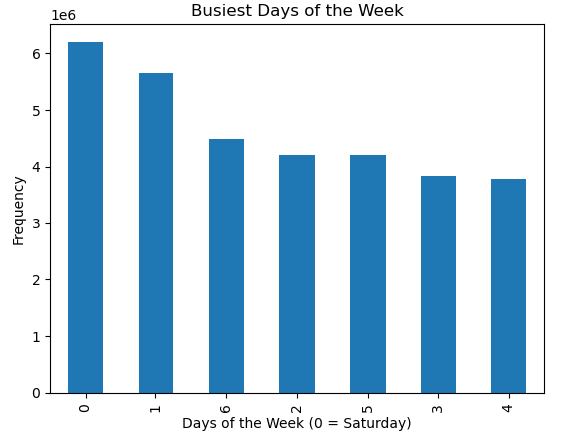

 | 0 = Saturday
 | 1 = Sunday
 | 2 = Monday
 | 3 = Tuesday
 | 4= Wednesday
 | 5= Thursday
 | 6= Friday

 | Observation: Busiest days were on the weekends with Saturday being the busiest followed by Sunday and Friday.

2. What are the busiest hours of the day? And is there a difference in expenditure depending on the hour?
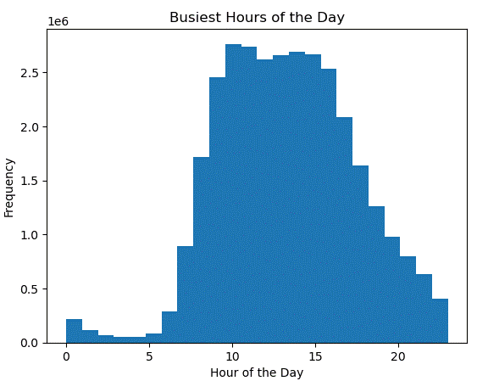


3. What is the distribution of orders among customers in terms of loyalty?
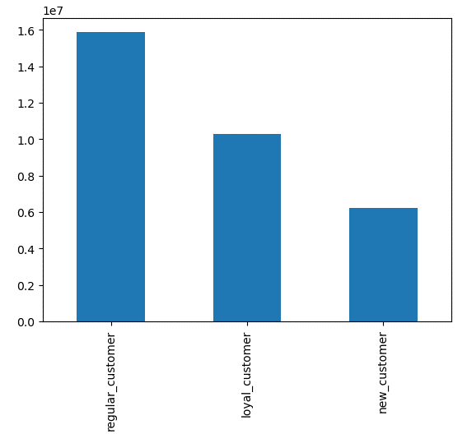

 |  | The charts breaks down customer activity in terms of orders placed.
 |  | They are categorized into 3 levels:

 |  | Loyal customer: over 40 orders placed
 |  | Regular customer: between 10 to 40 orders placed
 |  | New customer: 10 and lower orders placed.

 |  | As observed, most customers are considered to be regulars followed by loyals and then new customers.

4. Exploratory analysis of customer demographics to inform the targeted marketing campaigns.
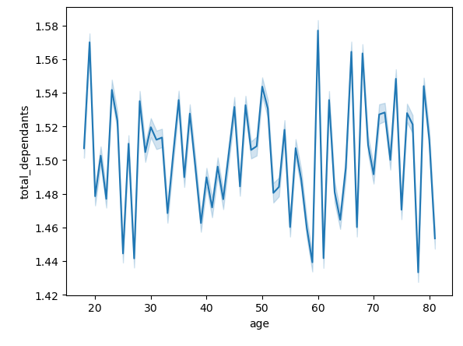
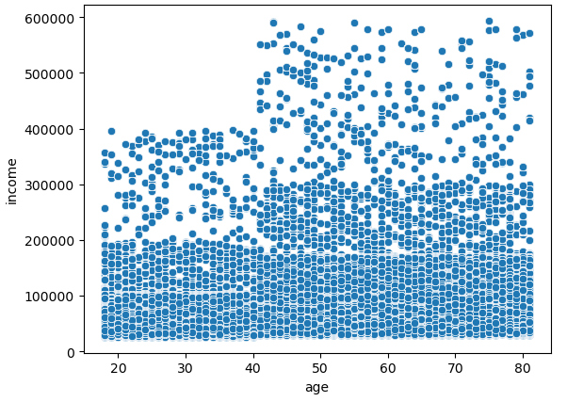

5. Creating customer profiles based on age, household status (number of dependants) and income.

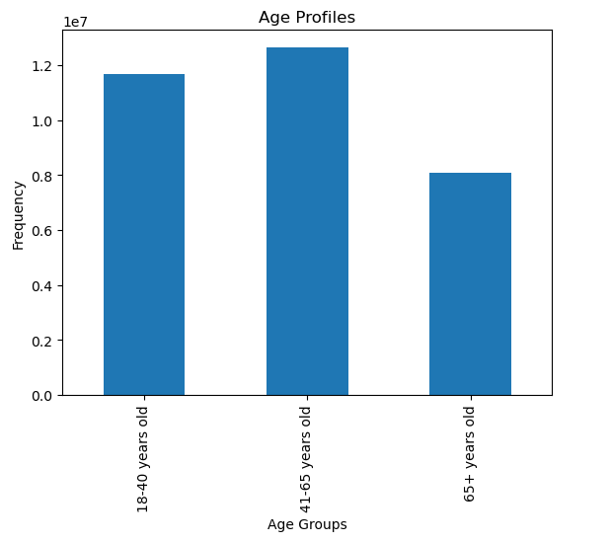

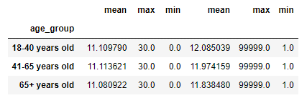

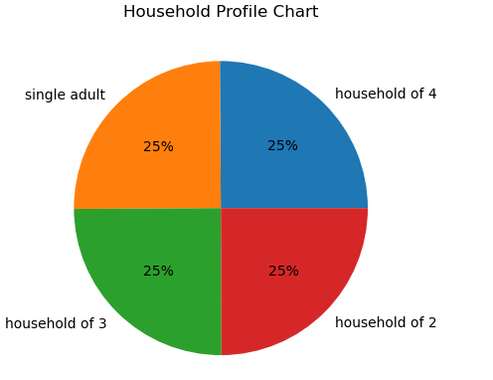

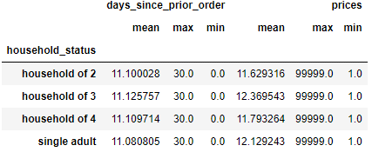

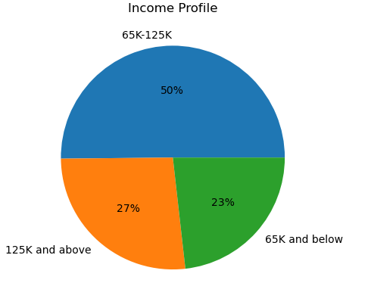

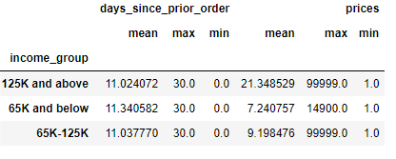

6. Regional Customer Profiles
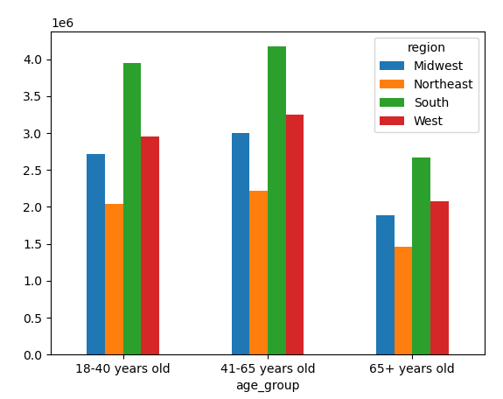
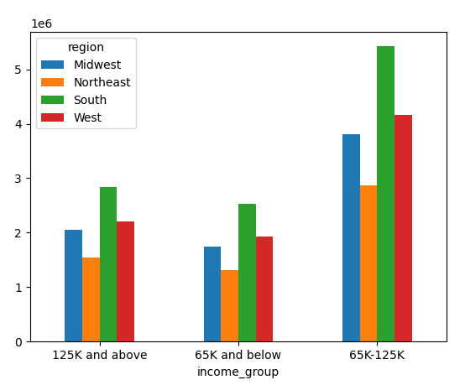
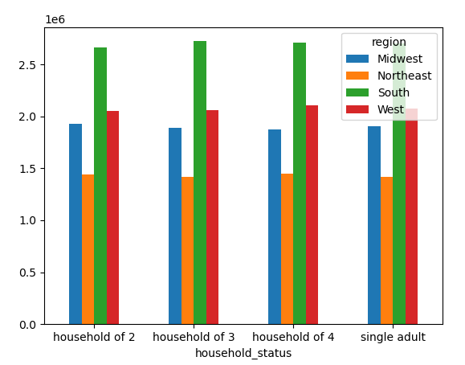

The biggest customer age group is the 41-65 years old. The distribution of regions |  |  | As seen previously, the household status were split into even quarters. |  |  | Most of the customers fall between the 65k-125k income group followed by
per age group is consistently the same with the South being the highest followed |  |  | This chart shows that even split and it looks like regionally, the split is |  |  | those in the 125k and above group and the the 65k and below group.
by the West, Midwest and then the Northeast. |  |  | also consistent. |  |  | Regional distribution of income is consistent with the south being the most, followed
 |  |  |  |  |  | by west,midwest and then northeast.

7. Departmental Customer Profiles

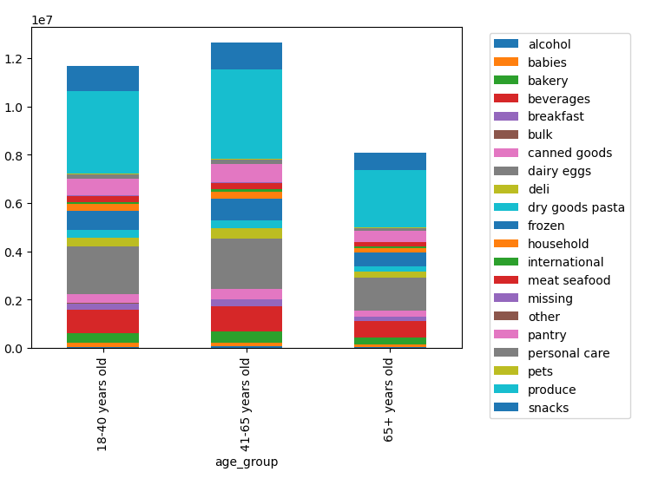
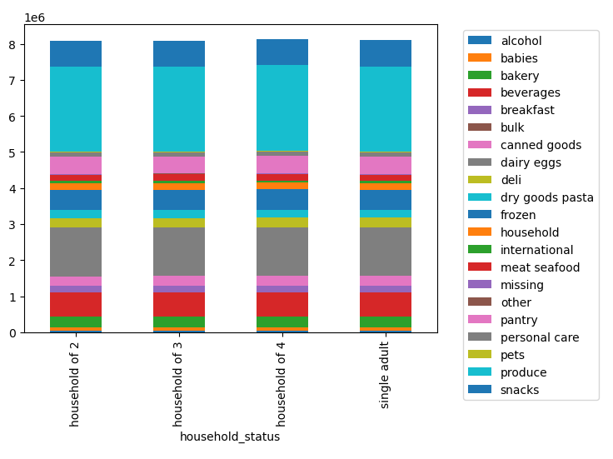
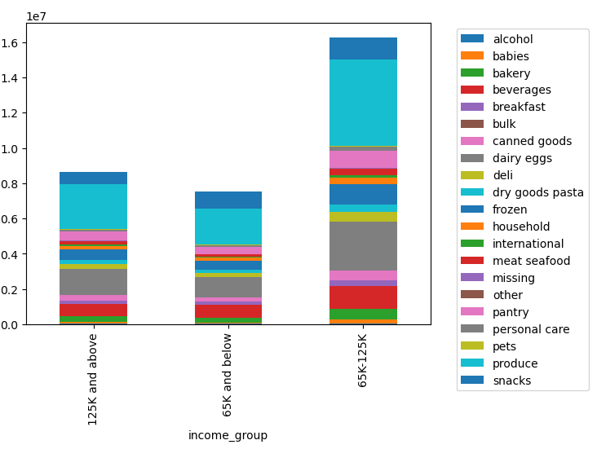

Acrols different age groups, produce is seen to be the most purchase. |  |  |  | The distribution of goods among the different households are split evenly. |  |  | Produce is the most sold product across income groups. The biggest group of spender for produce are the
With 41-65 year olds spending the most in produce, followed by the 18-40 year olds |  |  |  |  |  |  | 65k-125k group. This makes sense as produce is considered to be essentials. Interstingly, if you look at less essential
and the the 65 and older. |  |  |  |  |  |  | departments such as personal care, which may have more products seen as more of a luxury, people earning 125k are spening more on it than those earning 65k and below.

7. Recommendations
 |  |  | Title page

Recommendations

In this tab you should include any recommendations you would made to Instcart in terms of their marketing strategy based on the questions posed in the brief. Every key question has been covered in the Tasks of the Exercises - here you need to add an item - a visualisation or table/crosstable that is showing the answer in the data, acompanied by a comment from you. Please, list the questions below and add the answer underneath.

Q1. The sales team needs to know what the busiest days of the week and hours of the day are (i.e., the days and times with the most orders) in order to schedule ads at times when there are fewer orders.

 | Advertisement should be scheduled for the busiest days and hours.
 | Busiest days were on the weekends with Saturday being the busies followed by Sunday and Friday.
 | The busiest times are from 10am to 5pm. The ads should be played more during those days and hours to ensure that it reaches as much audience as it can.

Q2. They also want to know whether there are particular times of the day when people spend the most money, as this might inform the type of products they advertise at these times.

 | Customers were spending on the most expensive items in the afternoon around 3-4pm. Hence, to capitalize on this advertisements especially for higher priced products should be played around those times.

Q3. Instacart has a lot of products with different price tags. Marketing and sales want to use simpler price range groupings to help direct their efforts.

 | A new column, price range was derived from the original column of prices.
 | The price was divided into 3 ranges namely low, mid and high range products.
 | Low range products were priced $5 and under.
 | Mid range products were priced above $5 but lower or equals to $15.
 | High range products were anything above $15.

Q4. Are there certain types of products that are more popular than others? The marketing and sales teams want to know which departments have the highest frequency of product orders.

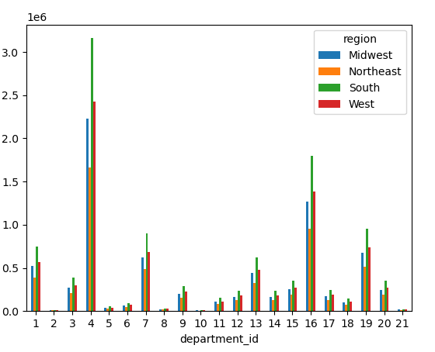

 |  | Consistently, produce is the highest order frquency amongst the departments even regionally. It surpasses all of the other departments by a big margin.
 |  | Other than produce, the department for dairy eggs, snacks.beverages and frozen section also have high frequencies although nowhere close to produce.

 |  | The marketting and sales team should ensure that high frequency items/ departments should be fully stocked always. They can also research as to why other departments are not
 |  | doing as well. An in depth analysis can also be done to find out which brands are most sought after especially in low frequency departments so that those departments can be
 |  | stocked with more desirable products.

Q5. What's the distribution among users in regards to their brand loyalty?

 | Instacart customers are faily loyal with the majority of the customers either are considered "loyal" or "regular" which means that
 | majority have placed at least 10 orders.

 | To keep customer loyalty, instacart should launch a membership rewards system where customers can earn points towards discounts
 | per order that they make. This will encourage them to order more as they try to earn more points.

5b. Are there differences in ordering habits based on a customer’s loyalty status?

 | Regular customers have the highest frequency in ordering.
 | To keep the customers ordering more, the system should make it easier to order. For example, there should be an intuitive way for
 | customers to easily reorder products they keep buying instead of having to search for it. This makes the reordering process more seamless.

5c. Are there differences in ordering habits based on a customer’s region?

 | Yes, generally order frequency per region is as follows in the order of the highest to the lowest:
 | South, West, Midwest and then North East.

 | Stocking brands per regional preference would be ideal in increasing the order frequency per region.
 | When advertising, instacart can hone on the fact that they sell local brands. Not only will this reduce cost on importing but it also
 | helps with advertising because people gravitate usually to what they are familiar with.

5d. Is there a connection between age and family status in terms of ordering habits? Note: Instacart is a real company that’s made their data available online. However, the contents of this project brief have been fabricated for the purpose of this Achievement.

 | Majority of the users are under the age of 65 years old and at least have 1 dependent in their household.
 | This shows that a lot of their customers are families and of a younger crowd (less than 65 years old)

5e. What different classifications does the demographic information suggest? Age? Income? Certain types of goods? Family status?

 | In terms of age, there definitely are more users under the age of 65 years old. This could be attributed to accessibilty of technology to older folks.
 | A good recommendation would be designing the app so it is more senior citizen friendly. A good program could even be where they could place their order through a call instead of clicking around the app to order.

 | In terms of income, 50% of their customer base earn between 65k-125k. There is an almost even split between the higher earning customers at 27% and lower earning customers at 23%.
 | Interestingly, the group of people who spent the most on average when it comes to prices is the 125k and above group with an average of $21.34.
 | This is a big difference from the others with only $9.19 for the largest group and $7.24 for the smallest group.
 | With this in mind, instacart could launch more premium products directly catered to those in the 125k and above group.

 | In terms of household, a quarter is represented by single adults while three quarters are represented by a household of at least 2. This shows that most of the customers are
 | families. A suggestion would be giving out unique ID codes per member that can be used by other family members which can accumulate poiints towards a reward or a discount.

5f. What differences can you find in ordering habits of different customer profiles? Consider the price of orders, the frequency of orders, the products customers are ordering, and anything else you can think of.

 | Regionally, the activity of customers from highest to lowest are south, west, midwest and then the northeast.
 | There is not a lot of variation in terms of days since prior orders amongst the different age groups, income groups and households.
 | Ther is also not a lot of variation in terms of prices amongst the different age groups, income groups and households.
 | Ther is a however, a big difference in mean prices per income group. People in the 125k and above spent a significantly higher average price on goods at $21.34 while the rest were spending an average of less than $10.
 | The essentials amongst the different customer profiles were also consistent with produce being the most ordered.

